Answer 2
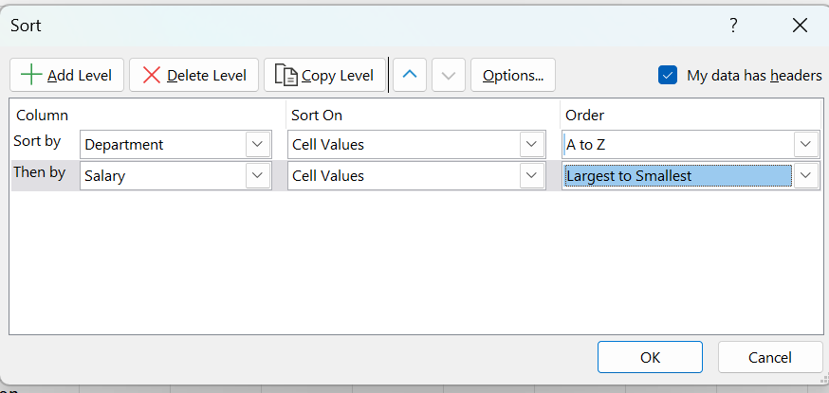
How would you sort the following dataset first by "Department" (A-Z) and then by "Salary" (Largest to
Smallest)? Write a step-by-step approach

Employee | Department | Salary
Sonu | IT | 4000
Pranav | HR | 5000
Rahul | IT | 2500

Sort
Employee | Department | Salary | Step By Step Approach
Pranav | HR | 5000 | 1. Go to sort and Filter, select Custom sort
Sonu | IT | 4000 | 2. Select the full table and in sort by select department and in order select A to Z
Rahul | IT | 2500 | 3. Click on Add level and in then by select Salart column and in order select Largest to smallest and then Ok

Answer 5
Apply Data Validation to restrict Quantity values to only whole numbers between 1 and 10.

 | Data Validation
A) Configure an input message that appears when a user selects a cell in the "Quantity" column explaining: | Quantity Values
Please enter a whole number between 1 and 10. | 1


Set up an error alert message that triggers if the user enters a number less than 1 or greater than 10,
showing:
Invalid input! The quantity must be a whole number between 1 and 10".

